Instructions
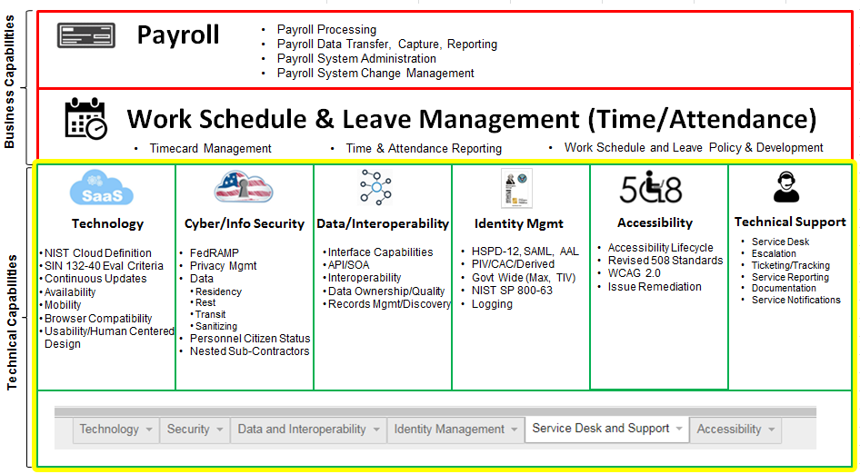
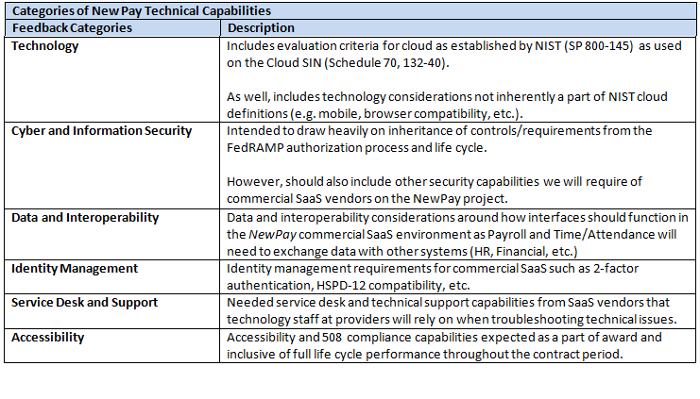
Instructions

The following tabs include the technical capabilities for Payroll and WSLM, and the authoritative source for each capability. The technical capabilities are segmented into six categories, as identified in Graphic 1 below. For each capability, Quoters should use the drop down box to explain the status of the capability within the Quoter's offering. An explanation of the drop down options is provided in Table 1 below.

Table 1
Field | Meaning | Action
Status of capability? | What is the status of the technical capability within the offered solution? | Select one of the following based on the description: "Existing" if the solution/Quoter can accommodate the capability as the solution stands today "Planned Development" if the existing system/practices cannot accommodate the capability, but it is planned to be incorporated into the base offering within the next 12 months "Not planned" if there is no plan to accommodate the capability as part of the base offering

Graphic 1

